Evacuations
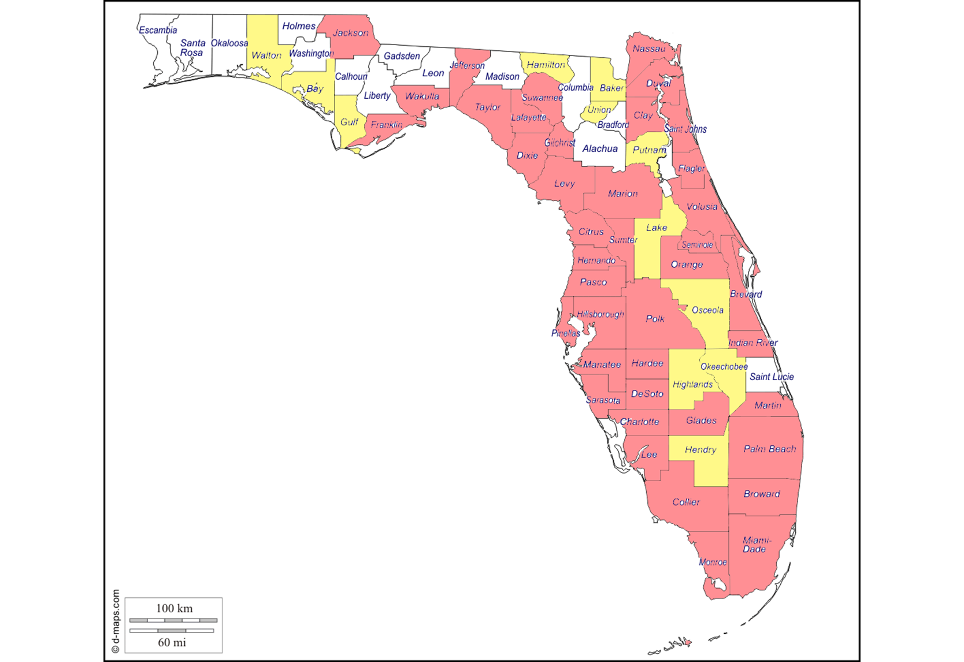
Mandatory and Voluntary Evacuations During Hurricane Irma
Total Evacuation Orders During Hurricane Irma
 | 2017-09-06 | 2017-09-07 | 2017-09-08 | 2017-09-09 | 2017-09-10 | 2017-09-11 | 2017-09-12 | 2017-09-13 | 2017-09-14 | 2017-09-15 | 2017-09-16 | 2017-09-17
Voluntary Evacuation Counties | 1 | 2 | 13 | 19 | 14 | 13 | 9 | 7 | 5 | 6 | 5 | 0
Mandatory Evacuation Counties | 0 | 2 | 5 | 19 | 35 | 39 | 23 | 12 | 10 | 6 | 6 | 0

 |  |  |  |  |  |  |  |  |  |  |  |  | Counties that Issued Evacuation Orders | 54
 |  |  |  |  |  |  |  |  |  |  |  |  | Counties That Did Not Issue Evacuation Orders | 13

 | AN ESTIMATED 6.8 MILLION FLORIDIANS EVACUATED THEIR HOMES FOR HURRICANE IRMA

